Model Performance
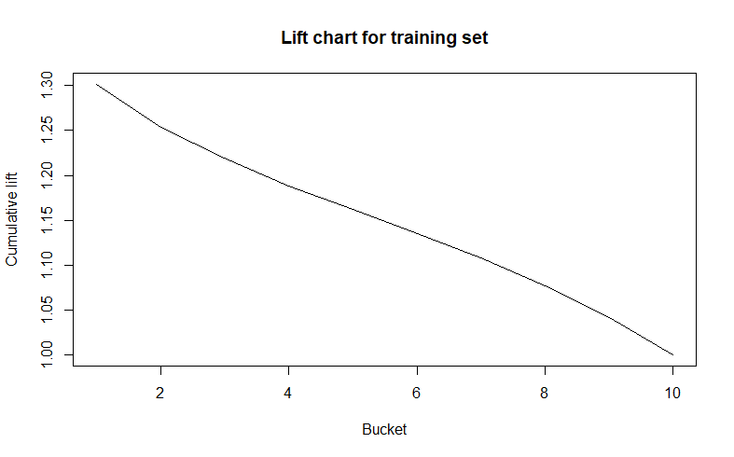
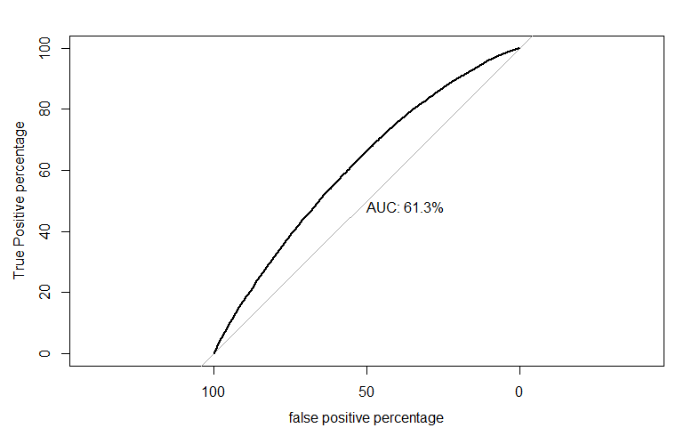
 |  | TRAINING SET |  |  |  |  |  |  |  |  |  |  |  |  | TRAINING GAIN TABLE
decile | total_cnt | min_prob | max_prob | churn_cnt | non_default_cnt | Bad Rate | Bad Percent | Cumu Bad Percent | Good Rate | Good Percent | Cumu Good Percent | KS |  | Bucket | Total | totalresp | Cumresp | Gain | Cumlift
10 | 3988 | 62% | 88% | 2595 | 1393 | 65.07% | 13% | 13% | 35% | 7% | 7% | 6.03% | 1 | 1 | 3988 | 2595 | 2595 | 13.015347577 | 1.3015347577
9 | 3987 | 58% | 62% | 2403 | 1584 | 60.27% | 12% | 25% | 40% | 8% | 15% | 10.13% | 2 | 2 | 3987 | 2403 | 4998 | 25.067709901 | 1.253385495
8 | 3987 | 55% | 58% | 2292 | 1695 | 57.49% | 11% | 37% | 43% | 9% | 23% | 13.12% | 3 | 3 | 3987 | 2292 | 7290 | 36.563346374 | 1.2187782125
7 | 3987 | 53% | 55% | 2186 | 1801 | 54.83% | 11% | 48% | 45% | 9% | 32% | 15.05% | 4 | 4 | 3987 | 2186 | 9476 | 47.527334738 | 1.1881833684
6 | 3987 | 50% | 53% | 2111 | 1876 | 52.95% | 11% | 58% | 47% | 9% | 42% | 16.23% | 5 | 5 | 3987 | 2111 | 11587 | 58.115156987 | 1.1623031397
5 | 3987 | 48% | 50% | 1991 | 1996 | 49.94% | 10% | 68% | 50% | 10% | 52% | 16.20% | 6 | 6 | 3987 | 1991 | 13578 | 68.101113452 | 1.1350185575
4 | 3987 | 45% | 48% | 1893 | 2094 | 47.48% | 9% | 78% | 53% | 11% | 62% | 15.19% | 7 | 7 | 3987 | 1893 | 15471 | 77.595546193 | 1.1085078028
3 | 3987 | 42% | 45% | 1703 | 2284 | 42.71% | 9% | 86% | 57% | 11% | 74% | 12.27% | 8 | 8 | 3987 | 1703 | 17174 | 86.137024777 | 1.0767128097
2 | 3987 | 37% | 42% | 1516 | 2471 | 38.02% | 8% | 94% | 62% | 12% | 86% | 7.48% | 9 | 9 | 3987 | 1516 | 18690 | 93.740595847 | 1.0415621761
1 | 3987 | 13% | 37% | 1248 | 2739 | 31.30% | 6% | 100% | 69% | 14% | 100% | 0.00% | 10 | 10 | 3987 | 1248 | 19938 | 100 | 1
 |  |  |  | 19938 | 19933

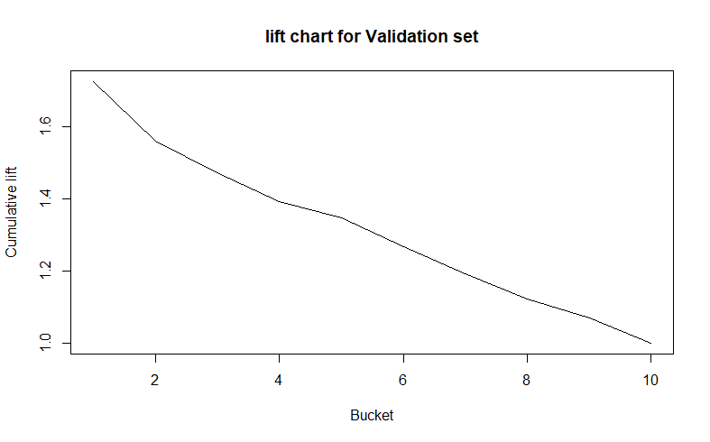
 |  | VALIDATION SET |  |  |  |  |  |  |  |  |  |  |  |  | VALIDATION GAIN TABLE
decile | total_cnt | min_prob | max_prob | churn_cnt | non_default_cnt | Bad Rate | Bad Percent | Cumu Bad Percent | Good rate | Good Percent | Cumu Good Percent | KS |  | bucket | total | totalresp | Cumresp | Gain | Cumlift
10 | 3105 | 61% | 86% | 105 | 3000 | 3.38% | 17% | 17% | 97% | 10% | 10% | 7% | 1 | 1 | 3105 | 105 | 105 | 17.24137931 | 1.724137931
9 | 3105 | 56% | 61% | 85 | 3020 | 2.74% | 14% | 31% | 97% | 10% | 20% | 11% | 2 | 2 | 3105 | 85 | 190 | 31.198686371 | 1.5599343186
8 | 3104 | 53% | 56% | 79 | 3025 | 2.55% | 13% | 44% | 97% | 10% | 30% | 14% | 3 | 3 | 3105 | 79 | 269 | 44.170771757 | 1.4723590586
7 | 3105 | 51% | 53% | 70 | 3035 | 2.25% | 11% | 56% | 98% | 10% | 40% | 16% | 4 | 4 | 3104 | 70 | 339 | 55.665024631 | 1.3916256158
6 | 3105 | 48% | 51% | 71 | 3034 | 2.29% | 12% | 67% | 98% | 10% | 50% | 18% | 5 | 5 | 3105 | 71 | 410 | 67.323481117 | 1.3464696223
5 | 3104 | 46% | 48% | 53 | 3051 | 1.71% | 9% | 76% | 98% | 10% | 60% | 16% | 6 | 6 | 3105 | 53 | 463 | 76.026272578 | 1.267104543
4 | 3105 | 43% | 46% | 45 | 3060 | 1.45% | 7% | 83% | 99% | 10% | 70% | 14% | 7 | 7 | 3104 | 45 | 508 | 83.41543514 | 1.1916490734
3 | 3104 | 40% | 43% | 39 | 3065 | 1.26% | 6% | 90% | 99% | 10% | 80% | 10% | 8 | 8 | 3105 | 39 | 547 | 89.819376026 | 1.1227422003
2 | 3105 | 35% | 40% | 40 | 3065 | 1.29% | 7% | 96% | 99% | 10% | 90% | 7% | 9 | 9 | 3105 | 40 | 587 | 96.387520525 | 1.0709724503
1 | 3105 | 9% | 35% | 22 | 3083 | 0.71% | 4% | 100% | 99% | 10% | 100% | 0% | 10 | 10 | 3104 | 22 | 609 | 100 | 1
 |  |  |  | 609 | 30438

 |  | CONCORDANCE
concordance | num_concordant | discordance | num_discordant | tie_rate | num_tied | somers_D | Gamma
0.61561230121 | 12271 | 0.38438769879 | 7662 | 0 | 0 | 0.23122460242 | 0.23122460242

ASSUMPTIONS
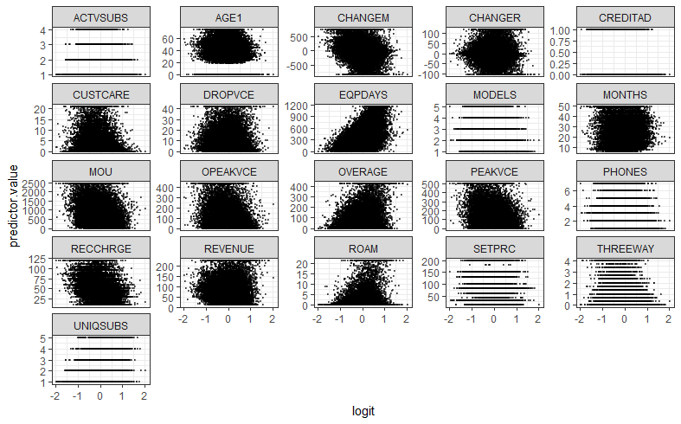
Checking the assumptions for logitstic regression
 | 1) Multicollinearity
 | It has been checked using Vif and correlation matrix
 | 2) High Leverage points
 | They have been removed using leverage statistic
 | 3)There is a linear relationship between the logit of the outcome and each continuous predictor variables
 | Leaving the discrete variables,Factor variables out it seems that some other binary classification method should be used as there isn't a straight relationship

